Count of Industry Exp
After updating the industry experience tab, click in the pivot table below then go to the top and select Pivottable analyze and select refresh.
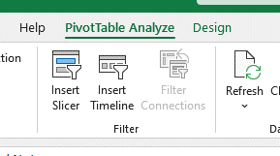
Row Labels | Sum of Full Time Employment Duration (Months) DO NOT TYPE IN THIS COLUMN
(blank) | 0
Grand Total | 0

